Guidance Notes
Materials Specification DVP template V8 2025

This template is to support correct test planning and recording of material details in the DVP, specific aims; Correct materials and part details plan. Correct colour & grain noted Correct allocated on test phases (DV/PV) Agreement of test responsibilities Agreement on sample requirements Referencing of any carry over data source

See below guidance on use

1st Tier Supplier
FRONT SHEET
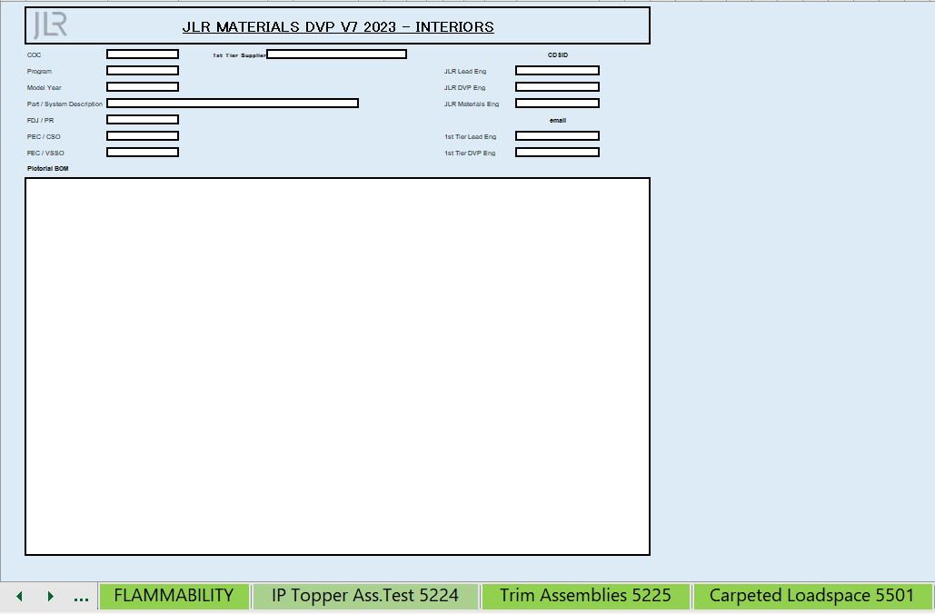

State program and MY
JLR Lead Eng and DVP engineer
Commodity description e.g. IP, Upper pillars
Can be expoded view of parts as a visula representation on system plan is for
Milestone dates
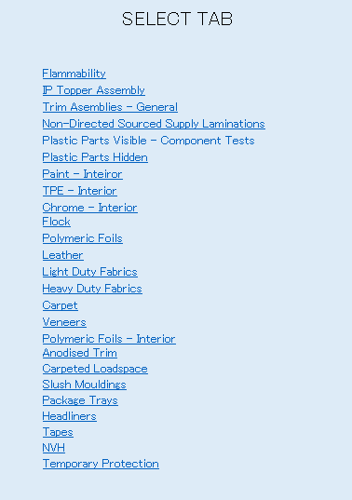
Use the opened tabs to select the approproate matreial STJLR DVP sheet.
OR
Use Links to navigate.
1st Tier Lead Engineer & DVP Enginee
 | Test Method Number | Part no
 | Description | Name/Description
 | Acceptance Criteria/ Target Requirement | Grade
 | Total D&D Cost for Test across All Parts | Substrate

 | Responsibility | Grade/Code
 | Test Duration (days) | Grain
 | Start Date (dd/mm/yyyy) | Surface Finisher/Reference

STJLR WORKSHEETS

Reference to std and issue worksheet relates to
 | End Date (dd/mm/yyyy) | Colour

Descriptions of information required for each material.
Test list for plan includes;
All tests required,
Responisbility indication,
Samples required,
Test Duration.

Front Sheet
JLR MATERIALS DVP V8 2025 - INTERIORS

COC | Floor Coverings | 1st Tier Supplier |  | CDSID

Program | L463 2029 110 7 Y9250 |  | JLR Lead Eng | amitroi

Model Year | 2030 |  | JLR DVP Eng

Part / System Description | Injection Moulded ACCESS PANEL |  | JLR Materials Eng | nspenc12

FDJ / PR | 2027-01-18 |  |  | email

PEC / CSO | 2027-10-28 |  | 1st Tier Lead Eng

FEC / VSSO | 2028-03-16 |  | 1st Tier DVP Eng

Pictorial BOM
 |  |  |  |  | SELECT TAB
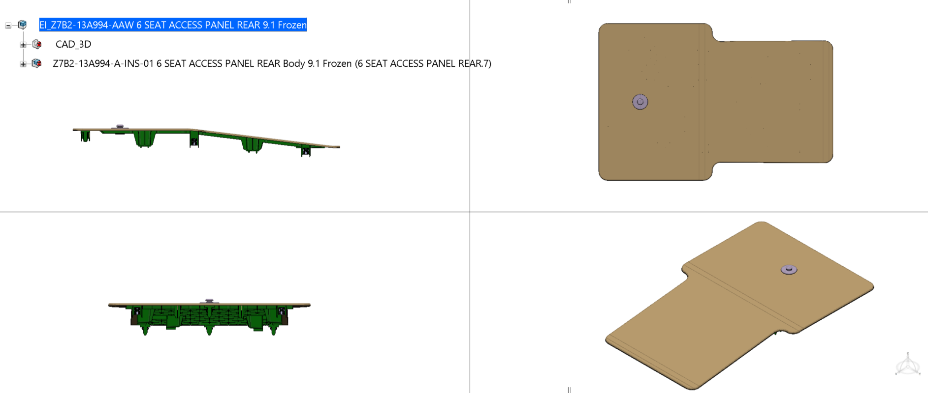 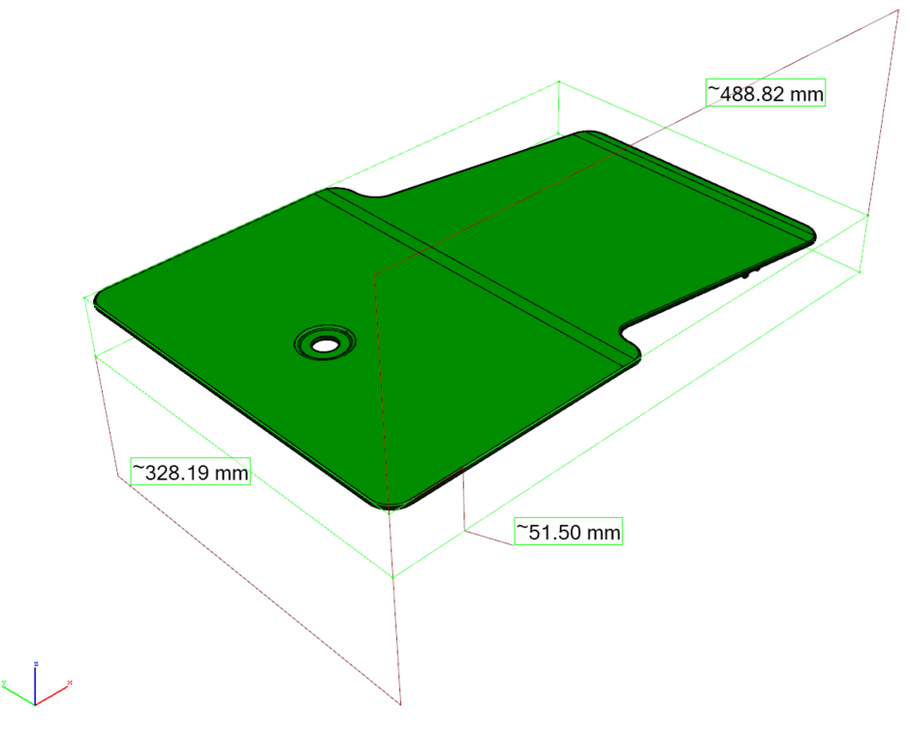

 |  |  |  |  | Flammability
 |  |  |  |  | IP Topper Assembly
 |  |  |  |  | Trim Asemblies - General
 |  |  |  |  | Non-Directed Sourced Supply Laminations
 |  |  |  |  | Plastic Parts Visible - Component Tests
 |  |  |  |  | Plastic Parts Hidden
 |  |  |  |  | Paint - Inteiror
 |  |  |  |  | TPE - Interior
 |  |  |  |  | Chrome - Interior
 |  |  |  |  | Flock
 |  |  |  |  | Polymeric Foils
 |  |  |  |  | Leather
 |  |  |  |  | Light Duty Fabrics
 |  |  |  |  | Heavy Duty Fabrics
 |  |  |  |  | Carpet
 |  |  |  |  | Veneers
 |  |  |  |  | Polymeric Foils - Interior
 |  |  |  |  | Anodised Trim
 |  |  |  |  | Carpeted Loadspace
 |  |  |  |  | Slush Mouldings
 |  |  |  |  | Package Trays
 |  |  |  |  | Headliners
 |  |  |  |  | Tapes
 |  |  |  |  | NVH
 |  |  |  |  | Temporary Protection

